FAI

Customer |  | PO # | 5812 | Date Prepared | 2026-03-30 | First Article Report
Part Name | Non-rotating channel washer | Samples | 4 | Prepared by: | Meng
Part Number | SU2188 | Inch or mm | Inch | Revision | 1
FAI | Type (Diameter Length Position etc.) | Nominal | + Tolerance | - Tolerance | High Limit | Low Limit | Method | Mfg. Sample 1 | Mfg. Sample 2 | Mfg. Sample 3 | Mfg. Sample 4
1 | Length | 1.250 | 0.020 | 0.020 | 1.270 | 1.230 | VMM | 1.2527 | 1.2547 | 1.2533 | 1.2519
2 | Length | 2.500 | 0.020 | 0.020 | 2.520 | 2.480 | VMM | 2.5067 | 2.5089 | 2.5053 | 2.5029
3 | Length | 0.530 | 0.020 | 0.020 | 0.550 | 0.510 | VMM | 0.5383 | 0.5313 | 0.5293 | 0.5314
4 | Length | 0.880 | 0.020 | 0.020 | 0.900 | 0.860 | VMM | 0.8852 | 0.8787 | 0.8772 | 0.8794
5 | Length | 1.220 | 0.020 | 0.020 | 1.240 | 1.200 | VMM | 1.2322 | 1.2260 | 1.2251 | 1.2274
6 | Length | 1.750 | 0.020 | 0.020 | 1.770 | 1.730 | VMM | 1.7565 | 1.7559 | 1.7555 | 1.7579
7 | Diameter | 0.690 | 0.016 | 0.016 | 0.706 | 0.674 | VMM | 0.6940 | 0.6947 | 0.6958 | 0.6960
8 | Radius (fillet) | 0.060 | 0.020 | 0.020 | 0.080 | 0.040 | VMM | 0.0606 | 0.0667 | 0.0629 | 0.0597
9 | Length | 0.100 | 0.020 | 0.020 | 0.120 | 0.080 | VMM | 0.0915 | 0.1029 | 0.1070 | 0.1050
10 | Length | 0.390 | 0.020 | 0.020 | 0.410 | 0.370 | VMM | 0.3956 | 0.3947 | 0.3920 | 0.3905
11 | Radius (fillet) | 0.130 | 0.020 | 0.020 | 0.150 | 0.110 | VMM | 0.1334 | 0.1317 | 0.1230 | 0.1340
12 | Radius (fillet) | 0.130 | 0.020 | 0.020 | 0.150 | 0.110 | VMM | 0.1333 | 0.1322 | 0.1396 | 0.1340
13 | Length | 0.890 | 0.020 | 0.020 | 0.910 | 0.870 | VMM | 0.8962 | 0.8990 | 0.9030 | 0.8843
14 | Length | 1.610 | 0.020 | 0.020 | 1.630 | 1.590 | VMM | 1.6178 | 1.6209 | 1.6130 | 1.6048

Print Page 1
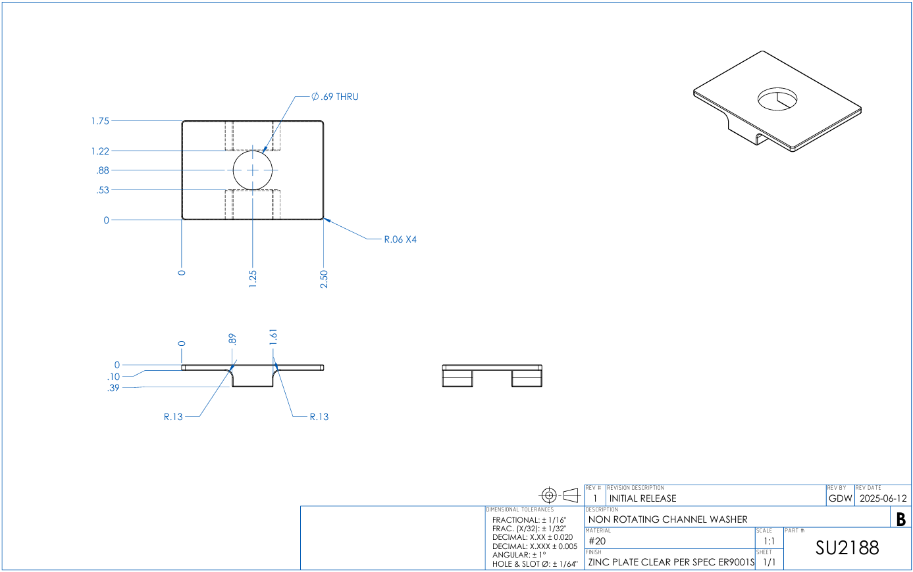

7

6
5

4
3

8

1
2

13
14

9

10

11
12

Tolerance Table
